Title


Guidelines
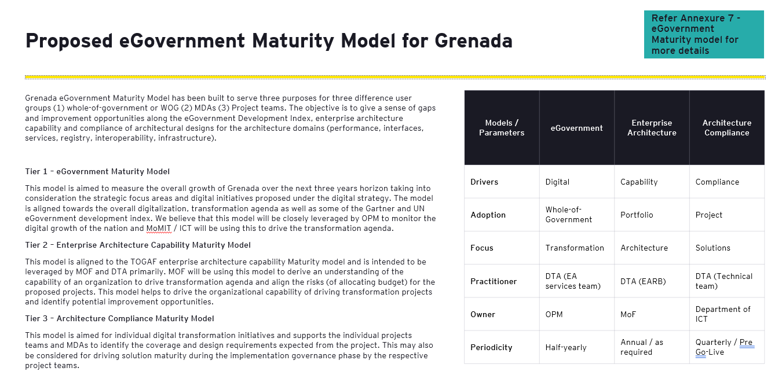

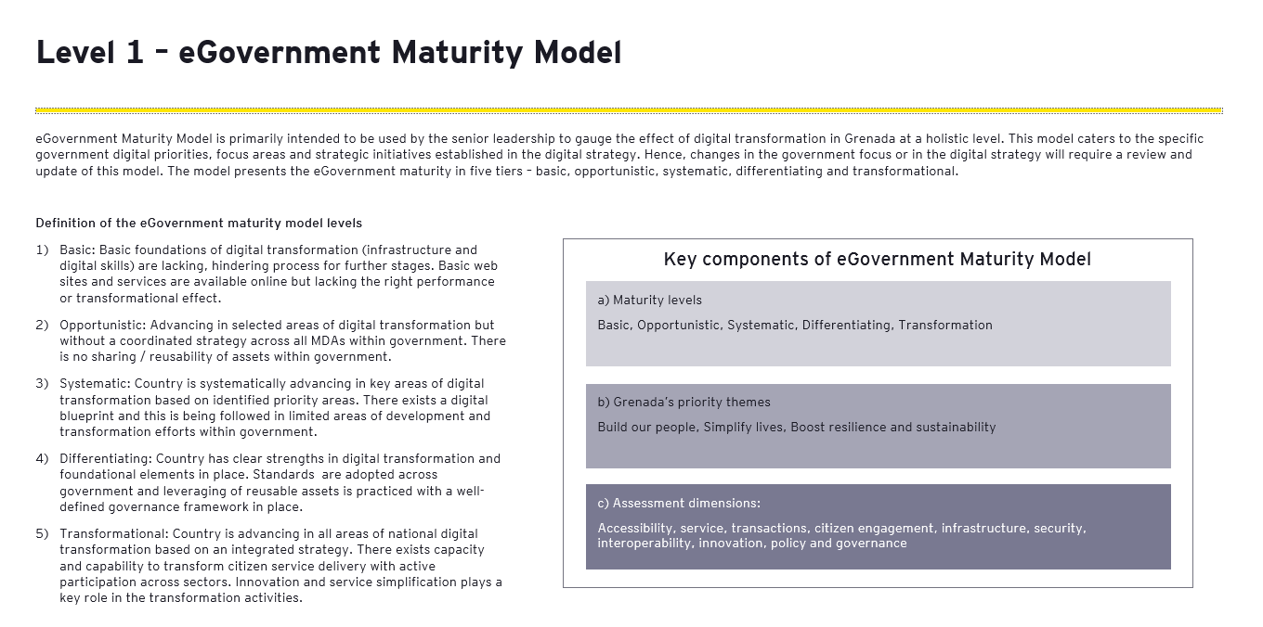

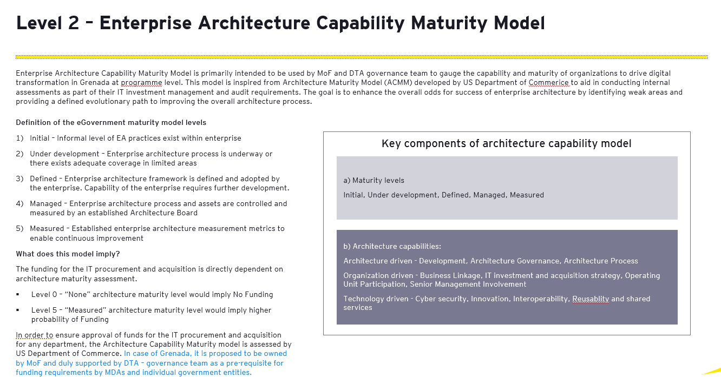

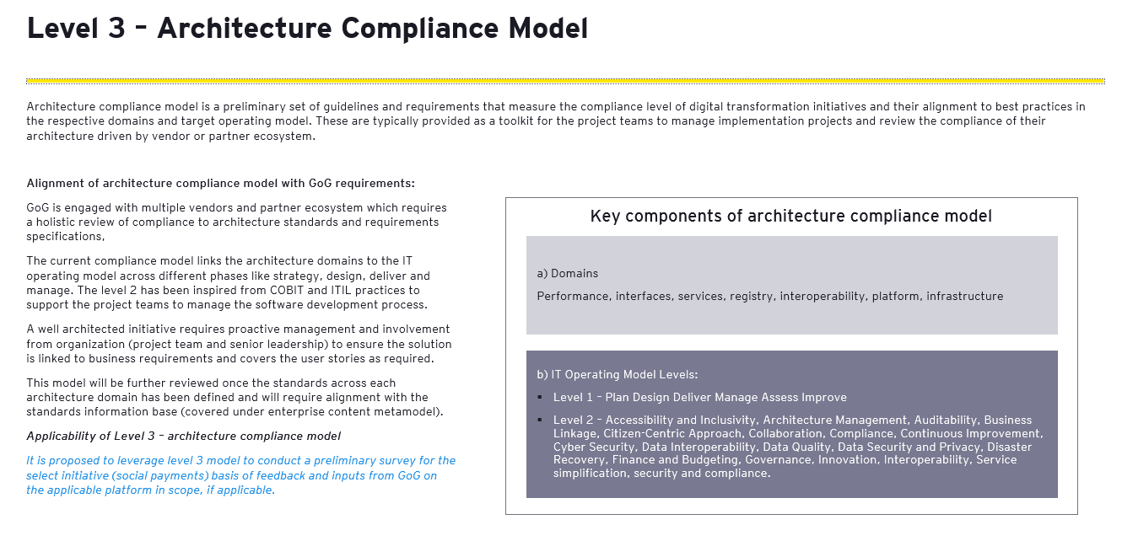

L1 eGovernment
Sr # | Strategic goals | Dimension | Questions | Current rating | Target rating | Remarks | State | Level
1 | Simplify life | Accessibility | GoG has a single unfied one-stop portal which comprises of all information related to policies, regulations, services required by citizens to access digital services or information related to digital services. | 1.00 | 5.00 |  | Current state score | 1
2 | Simplify life | Accessibility | GoG has multi-modal service delivery approach for all users - online and offline, physical service delivery centres / service portals / mobile apps, digital and paper-based forms. | 1.00 | 5.00 |  | Target state score | 5
3 | Simplify life | Transactions | GoG has complete end-to-end transactions available on digital platform in a unified service. This may include online registration, service request applications, digital certificates, electronic payments, status and notifications. | 1.00 | 5.00 |  | eGovernment Maturity Score | Basic
4 | Simplify life | Transactions | GoG allows two-way interaction through different channels like portal based contact / feedback / grievance forms, chatbots, emails, phone contact, etc | 1.00 | 5.00 |  |  |  | Row Labels | Average of Current rating | Average of Target rating
5 | Build our people | Transactions | GoG has options to collect citizen feedback on services, policies, process through portal / social media / feedback applications | 1.00 | 5.00 |  |  |  | Accessibility | 1.0 | 5.0
6 | Boost reslience and sustainability | Infrastructure | GoG has the infrastructure and applications to process on citizen feedback. | 1.00 | 5.00 |  |  |  | Capability development | 1.0 | 5.0
7 | Simplify life | Service | GoG is focussed on continuous service process simplification aimed to simplify citizen lives and ease of service access. | 1.00 | 5.00 |  |  |  | Infrastructure | 1.0 | 5.0
8 | Boost reslience and sustainability | Security | GoG has the right focus on data protection, user consent and privacy. It conducts security audits to ensure the digital platforms are secured and robut against cyber attacks | 1.00 | 5.00 |  |  |  | Innovation | 1.0 | 5.0
9 | Boost reslience and sustainability | Infrastructure | GoG leverages government data centre / cloud for hosting services, applications and portals | 1.00 | 5.00 |  |  |  | Interoperability | 1.0 | 5.0
10 | Simplify life | Policy and Governance | GoG reviews proposed digital transformation initiaitves and drives policy and regulations to ensure ease of adoption of digital within GoG. | 1.00 | 5.00 |  |  |  | Policy and Governance | 1.0 | 5.0
11 | Boost reslience and sustainability | Interoperability | GoG shares data with other entities over appropriate channels like API gateways / Interoperability platforms / Open Data Platforms | 1.00 | 5.00 |  |  |  | Security | 1.0 | 5.0
12 | Build our people | Innovation | GoG is leveraging emerging technologies like AI / RPA / IOT / Blockchain to effectively deliver services or automate backend processes. | 1.00 | 5.00 |  |  |  | Service | 1.0 | 5.0
13 | Boost reslience and sustainability | Policy and Governance | GoG monitors services through well-defined performance indicators which are accessible through an online realtime analytical dashboard. | 1.00 | 5.00 |  |  |  | Transactions | 1.0 | 5.0
14 | Build our people | Accessibility | The portals have detailed information for ease of access including but not limited to FAQs, service information, AI assistants, contact centres or knowledge kiosks. | 1.00 | 5.00 |  |  |  | Grand Total | 1.0 | 5.0
15 | Build our people | Capability development | GoG conducts periodic citizen engagement programs to support digital adoption and literacy programs. | 1.00 | 5.00

 |  |  |  |  | Score | Result
 |  |  |  |  | 0 | None
 |  |  |  |  | 1 | Basic
 |  |  |  |  | 2 | Opportunistic
 |  |  |  |  | 3 | Systematic
 |  |  |  |  | 4 | Differentiating
 |  |  |  |  | 5 | Transformational

Dashboard L1
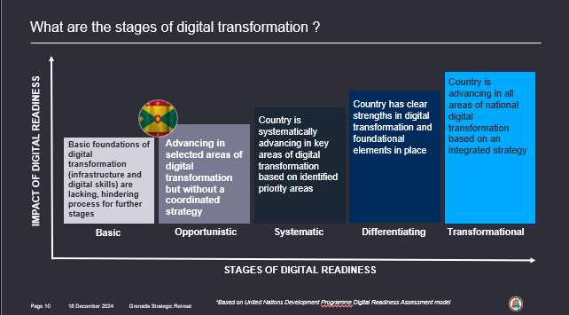
Row Labels | Average of Current rating | Average of Target rating
Boost reslience and sustainability | 1.0 | 5.0
Build our people | 1.0 | 5.0
Simplify life | 1.0 | 5.0
Grand Total | 1.0 | 5.0

Dashboard L2
Row Labels | Average of Current rating | Average of Target rating
Architecture Development | 1.0 | 5.0
Architecture Governance | 1.0 | 5.0
Architecture Process | 1.0 | 5.0
Business Linkage | 1.0 | 5.0
Cyber security | 1.0 | 5.0
Innovation | 1.0 | 5.0
Interoperability | 1.0 | 5.0
IT investment and acquisition strategy | 1.0 | 5.0
Operating Unit Participation | 1.0 | 5.0
Reusablity and shared services | 1.0 | 5.0
Senior Management Involvement | 1.0 | 5.0
Grand Total | 1.0 | 5.0

Dashboard L3
Architecture domains

Row Labels | Average of Current State Score | Average of Desired State Score
Infrastructure | 0 | 5
Performance | 0 | 5
Services | 0 | 5
Interfaces | 0 | 5
Registry | 0 | 5
Interoperability | 0 | 5
Platform | 0 | 5
Grand Total | 0 | 5

ITOM Level 1
Row Labels | Average of Current State Score | Average of Desired State Score
Plan | 0 | 5
Design | 0 | 5
Deliver | 0 | 5
Manage | 0 | 5
Assess | 0 | 5
Improve | 0 | 5
Grand Total | 0 | 5

Row Labels | Average of Current State Score | Average of Desired State Score
Accessibility | 0 | 5
Accessibility and Inclusivity | 0 | 5
Architecture Management | 0 | 5
Auditability | 0 | 5
Business Linkage | 0 | 5
Citizen-Centric Approach | 0 | 5
Collaboration | 0 | 5
Compliance | 0 | 5
Continuous Improvement | 0 | 5
Cyber Security | 0 | 5
Data Center Architecture | 0 | 5
Data Interoperability | 0 | 5
Data Ownership | 0 | 5
Data Quality | 0 | 5
Data Security | 0 | 5
Data Security and Privacy | 0 | 5
Data Structure | 0 | 5
Disaster Recovery | 0 | 5
Efficiency and Responsiveness | 0 | 5
Finance and Budgeting | 0 | 5
Governance | 0 | 5
Innovation | 0 | 5
Interoperability | 0 | 5
IT Investment and Acquisition Strategy | 0 | 5
IT Investment and Strategy | 0 | 5
Metadata Management | 0 | 5
Monitoring and Audit Tools | 0 | 5
Network Connectivity | 0 | 5
Open Standards | 0 | 5
Operating Unit Participation | 0 | 5
Reusability and Shared Services | 0 | 5
Risk Management | 0 | 5
Scalability | 0 | 5
Seamless Data Exchange | 0 | 5
Security and Compliance | 0 | 5
Senior Management Involvement | 0 | 5
Service Simplification | 0 | 5
Shared Infrastructure Services | 0 | 5
Single Source of Truth (SSOT) | 0 | 5
Sustainability and Resilience | 0 | 5
Technical Interoperability | 0 | 5
Technical Standards | 0 | 5
Technology Agnosticism | 0 | 5
Transparency | 0 | 5
Transparency and Accountability | 0 | 5
User Access Devices | 0 | 5
User Peripherals | 0 | 5
User-Centric Design | 0 | 5
Grand Total | 0 | 5

